COVER SHEET
 | UTILITIES REGULATION & COMPETITION AUTHORITY

 | OF THE COMMONWEALTH OF THE BAHAMAS
 |  |  | BILLS OF QUANTITIES

 | PROJECT COST PROPOSAL

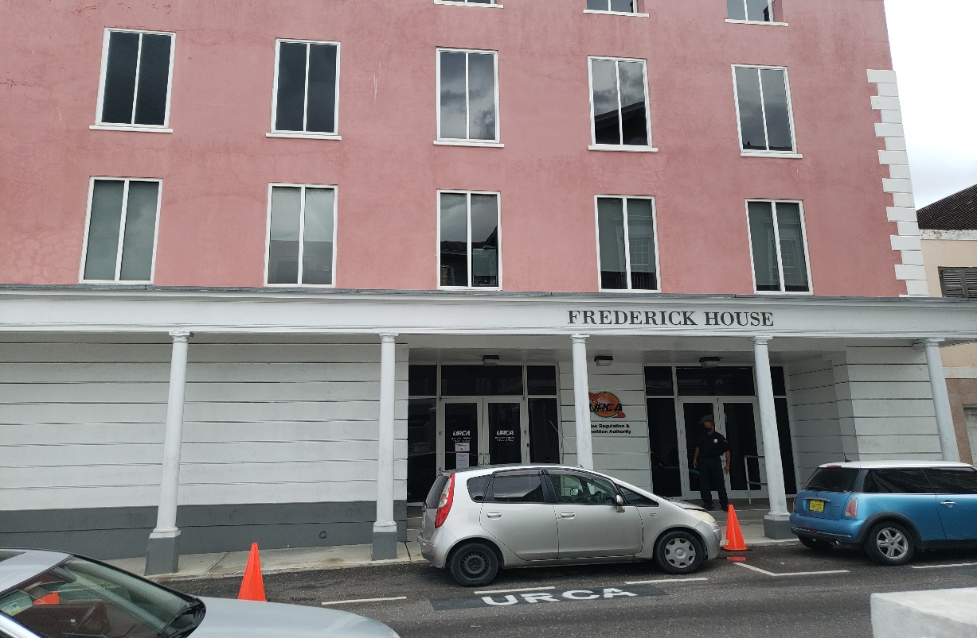

PROPOSED WINDOW REMOVAL & RE-INSTALL
3RD & 4TH FLOOR
FREDERICK HOUSE, FREDERICK STREET

 | Contractor:
 |  |  | (Please fill in Contractor's Name above)

VERITAS CONSULTANTS LIMITED
CHURCH STREET PLAZA - SHIRLEY STREET
NASSAU, N.P. BAHAMAS
TEL: (242) 322-6741

 |  |  | Sep-22

Note:

All queries regarding the Electronic Bills of Quantities are to be directed to VERITAS Consultants Limited and copied to the
Architect. Submission of the Electronic Bills of Quantities are a mandatory requirement and failure to do so could result in
disqualification of your Tender. Queries can be e-mailed to jmclarke@veritasbah.com Cc. ddarville@veritasbah.com

Instructions for Completing Electronic Bills of Quantities & Bid Forms

Bills of Quantities & Cost Data - ( Must be completed Electronically)

1 | Open File
2 | Copy Excel File [ BOQ*.xls]
3 | Fill in Company Name on Cover Sheet
4 | On Cost Detail sheets enter unit rates where applicable.
 | Rates are to include:
 |  | Duty paid cost of all materials
 |  | Duty paid cost of all labour
 |  | Cost of equipment associated with each item as applicable
 |  | Associated overhead charges (e.g. shipping, handling, storage)
 |  | % Profit
5 | On the General Conditions sheet an entry must be made for the Quantity & the Rate
6 | All arithmetic operations are automatic and built into the Excel spreadsheet
7 | When finished with the Bills of Quantities:
 |  | Save completed file back to the thumb drive in .xls format
8 | Do not attempt to alter the electronic document in any way. The document is protected and all of the
 | arithmetic operations have been established to aid in the analysis and evaluation of Tenders. Altered
 | spreadsheets will be discarded

Completing Forms of Bid Electronically

1 | Open File
2 | Copy File to computer
3 | Fill in the relevant information on Forms - Use <Tab Key> to move to next field
4 | Submission of Completed Bid Forms
 | the Completed Tender Form must be placed in a sealed manilla envelope of sufficient
 | size to accommodate the form without folding but bearing no identification of the bidder and clearly marked:
5 | Tenders of Contractors for Window Repair Work at Frederick House
 | Two hard copies of the application forms and two electronic copies on thumb/jump drives should be delivered to

 | CEO. Utilities Regulation & Competition Authority (URCA),Frederick Street, Frederick House. P.O Box N-4860
 | Nassau, Bahamas
 | The Tenders must be delivered to the above-mentioned address on or before
 | 7 October, 2022 at 1600 hours EST
 | The applications must be written in English and should remain valid for 60 days from the date of submission.

